Sheet1
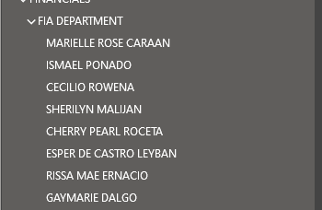

Marrielle ROSE Caraan
Ismael Ponado | GL
Cecilio Rowena
Sherilyn Malijan
Cherry Pearl Roceta | IA
Esper De Castro Leyban
Rissa Mae Ernacio | invnetory, GL
Gaymarie Dalgo

